Sheet1
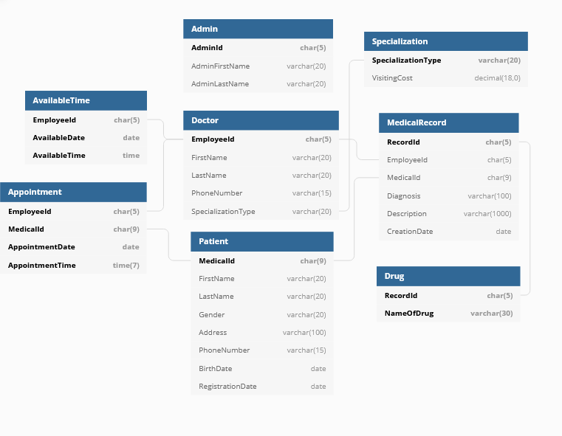
 |  |  | 820807-2911
 |  |  | Christopher O'Driscoll
 |  |  | Project group 12
 |  |  | DA297a

Tables | Triggers | Indexes | Constraints
Admin |  | PK - Clustered | AdminId, (5) not null
 |  |  | AdminFirstName, (20) not null
 |  |  | AdminLastName, (20) not null
Appointment |  | PK - Clustered | EmployeeID, (5) not null
 |  |  | MedicalId, (9) not null
 |  |  | AppointmentDate, not null
 |  |  | AppointmentTime, not null
AvailableTime |  | PK - Clustered | EmployeeID, (5) not null
 |  |  | AvailableDate, not null
 |  |  | AvailableTime, not null
 |  |  | Booked, null
Doctor | trg_archive_medical_records (changes employeeId on relevant medical records to 10000 if doctor removed from database) | PK - Clustered | EmployeeID, (5) not null
 |  |  | FirstName, (20) not null
 |  | Non-clustered, ASC | LastName, (20) not null
 |  | Non-clustered, ASC | SpecializationType, (20) not null
 |  |  | PhoneNumber, (15) not null
Drug |  | PK - Clustered | RecordId, (5) not null
 |  | Non-clustered, ASC | NameOfDrug, (30) not null
MedicalRecord |  | PK - Clustered | RecordId, (5) not null
 |  | Non-clustered, ASC | EmployeeID, (5) not null
 |  | Non-clustered, ASC | MedicalId, (9) not null
 |  |  | Diagnosis, (100) not null
 |  |  | Description, (100) not null
 |  |  | CreationDate, not null
Patient |  | PK - Clustered | MedicalId, (9) not null
 |  |  | FirstName, (20) not null
 |  | Non-clustered, ASC | LastName, (20) not null
 |  |  | Gender, (20) not null
 |  |  | Address, (100) not null
 |  |  | PhoneNumber, (15) not null
 |  | Non-clustered, ASC | BirthDate, not null
 |  |  | RegistrationDate, not null
Specialization |  | PK - Clustered | SpecializationType, (20) not null
 |  |  | VisitingCost, (18,0) not null

Procedures | Description | Procedures | Description
add_available_times | Creates a batch of available appointment times for a new doctor | show_patient_medical_record_list | Shows the medical records for a given patient
admin_sign_in | checks for existence of admin ID | update_doctor_info | Updates a doctor with given information
book_appointment | Creates an appointment | update_patient_info | Updates a patient with given information
define_available_times | Change availability of a doctors "available times"
doctor_sign_in | checks for existence of employee ID | Views | Description
fullname(function) | Combines first and last names | doctor_and_specialization | simplified list of doctors and their specialty
get_medical_ID | gets the medical ID for a given patient | view_patients_and_total_costs | A list of each patient with their calculated total visiting costs
insert_doctor | Adds a new doctor for given parameters, calls add_available_times if successful, reutrns the new employeeID | view_upcoming_appointments | future booked appointments
insert_drug | Associates a drug with a medical record
insert_medical_record | Adds a new medical record
insert_specialization | Adds a new specialization
patient_sign_in | Checks for existence of medical ID
register_patient | Adds new specialization and it's cost
remove_available_time | Deletes an available time
remove_doctor | Deletes a doctor and their available times, fails if any appointments outstanding
search_for_doctor_and_specialization | Returns a list of doctors with the given specialization
select_doctor | Returns info about a given doctor
show_available_times_for_doctor | Returns a list of available times for the next week for a given doctor
show_doctor_and_specialization | Returns a list of all doctors, their specialization and cost
show_doctors_patients | Returns all patients who have an upcoming appointment with the given doctor
show_patient_and_total_cost_list | Shows a list of patients and their total visit costs (past and future)
show_patient_info | Shows upcoming booked appointments for a given patient
show_patient_list | Shows a list of all registered patients

